TX_ML
RETENTION DASHBOARD
 |  |  |  | STATE |  | LGA |  | FACILITY |  | AGE GROUP

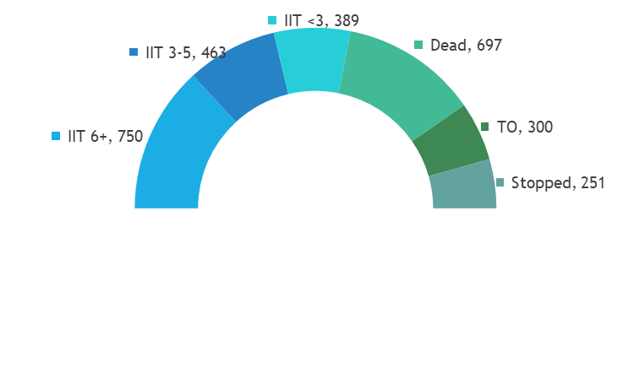
5,648
TX_ML
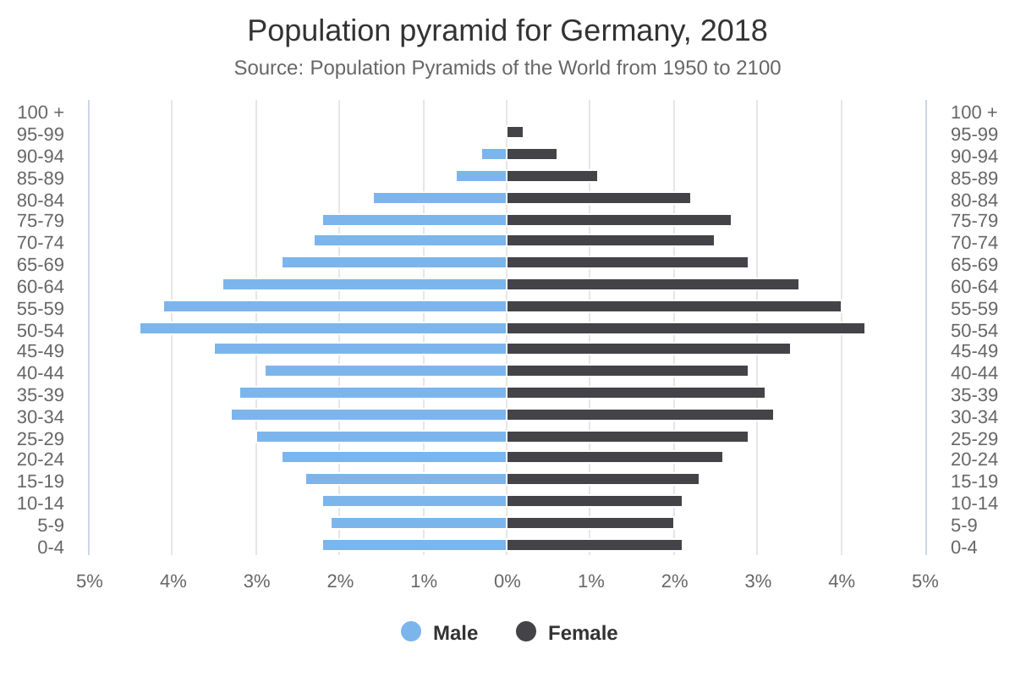
TX_ML Population Pyramid
50+
45-49
40-44
35-39
30-34
25-29
20-24
15-19
10-14
5-9
1-4
<1
1000 100000 etc
% IIT Trend
 | FCT | Katsina | Nasarawa | Rivers
Q3 FY20 | 0.05561017574 | 0.024802566634 | 0.046684350133 | 0.055112494327
Q4 FY20 | 0.03311692919 | 0.021044158234 | 0.026431086725 | 0.025094322165
Q1 FY21 | 0.03436210848 | 0.00199159106 | 0.035970152031 | 0.023438716073
Q2 FY21 | 0.017688493906 | 0.022502343994 | 0.018577791326 | 0.0044765052769
Q3 FY21 | 0.019187175152 | 0.01455521223 | 0.017687274866 | 0.0078033909833
Q4 FY21 | 0.021101488109 | 0.0095660289314 | 0.0083834670232 | 0.0074792560801
Q1 FY22 | 0.027583687801 | 0.010604982206 | 0.012814472816 | 0.013691608103

TX_ML Cascade
TX_CURR Q4 FY21 | 340127
TX_NEW Q1 FY22 | 340127 | 14508
TX_RTT Q1 FY22 | 354635 | 2146
Expected TX_CURR (Q1 FY22) | 356781
Stopped (Q1) | 356778 | 3
Transferred Out (Q1) | 355838 | 940
Dead (Q1) | 355329 | 509
IIT <3 month (Q1) | 355313 | 16
IIT 3+ month (Q1) | 349403 | 5910
TX_CURR Q1 FY22 | 350908

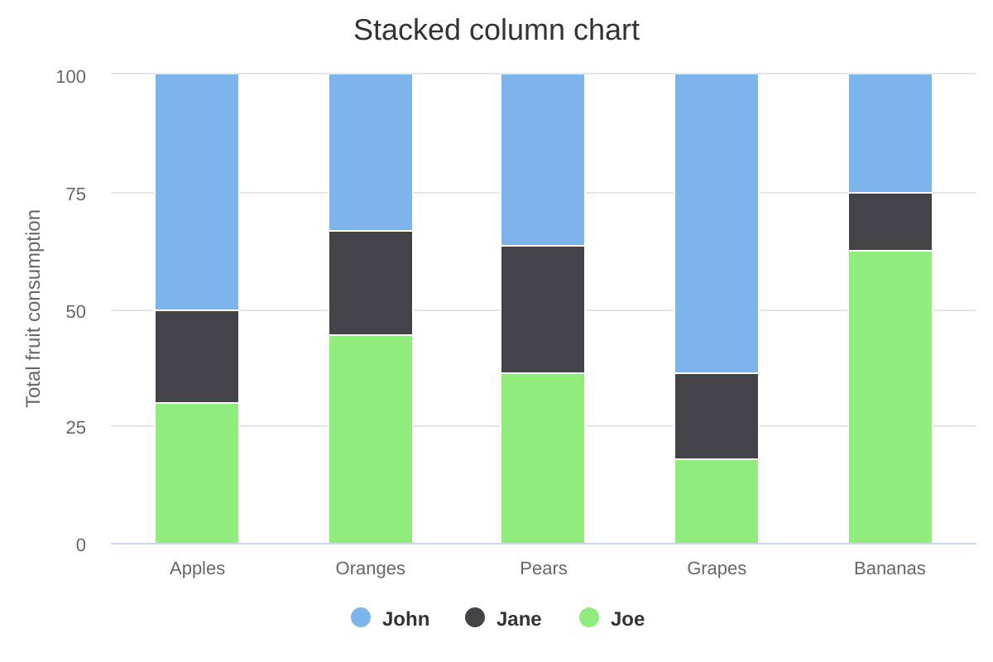
Disaggregation of TX_ML by State

Best Performing Facilities |  |  | Display | 30 | rows | Worst Performing Facilities |  |  |  |  | Filter by %IIT |  | < 2%
State | LGA | Facility | TX_CURR | % IIT |  | State | LGA | Facility | TX_CURR | % IIT | State | LGA | Facility | TX_CURR | % IIT
FCT | Gwagwalada | Gwagwalada KP One Stop Shop | 343 | 10.0% |  | FCT | AMAC | Karshi General Hospital | 343 | 0.1% | FCT | AMAC | Karshi General Hospital | 343 | 0.1%
FCT | AMAC | Gwarimpa General Hospital | 565345 | 5.0% |  | Nasarawa | Doma | Idadu Primary Health Center | 3321 | 0.3% | Nasarawa | Doma | Idadu Primary Health Center | 3321 | 0.3%
Katsina | Funtua | Funtua General Hospital | 345 | 3.4% |  | Katsina | Mani | Mani General Hospital | 332 | 0.3% | Katsina | Mani | Mani General Hospital | 332 | 0.3%
Nasarawa | Doma | Idadu Primary Health Center | 4323 | 3.0% |  | FCT | Gwagwalada | Gwagwalada KP One Stop Shop | 12 | 0.7% | FCT | Gwagwalada | Gwagwalada KP One Stop Shop | 12 | 0.7%
Rivers | Tai | Kpite Model Primary Health Centre | 134 | 2.3% |  | Katsina | Funtua | Funtua General Hospital | 2343 | 1.2% | Katsina | Funtua | Funtua General Hospital | 2343 | 1.2%
Katsina | Mani | Mani General Hospital | 234 | 2.3% |  | Rivers | Tai | Kpite Model Primary Health Centre | 4 | 1.3% | Rivers | Tai | Kpite Model Primary Health Centre | 4 | 1.3%
Rivers | Eleme | Nchia Health Centre | 898 | 1.8% |  | Katsina | Daura | kt Daura General Hospital | 12 | 1.3% | Katsina | Daura | kt Daura General Hospital | 12 | 1.3%
FCT | AMAC | Karshi General Hospital | 423 | 1.7% |  | FCT | Bwari | Dei Dei Comprehensive Health Center | 32 | 1.6% | FCT | Bwari | Dei Dei Comprehensive Health Center | 32 | 1.6%
FCT | Bwari | Dei Dei Comprehensive Health Center | 34 | 1.6% |  | Rivers | Eleme | Nchia Health Centre | 1223 | 1.8% | Rivers | Eleme | Nchia Health Centre | 1223 | 1.8%
Katsina | Daura | kt Daura General Hospital | 567 | 1.3% |  | FCT | AMAC | Gwarimpa General Hospital | 43 | 5.0% | FCT | AMAC | Gwarimpa General Hospital | 43 | 5.0%

Chart | Link | Note
Semi circular donut | https://www.highcharts.com/demo/pie-semi-circle
Waterfall | https://www.highcharts.com/demo/waterfall | Wrap horizontal axis title and keep it horizontal
% IIT Trend |  | Include a target line at 2%
TX_ML Population Pyramid |  | Do not include grid lines

Filters
State | LGA | Facility

Age Group
Child | Adolescent | Adult

TX PVLS
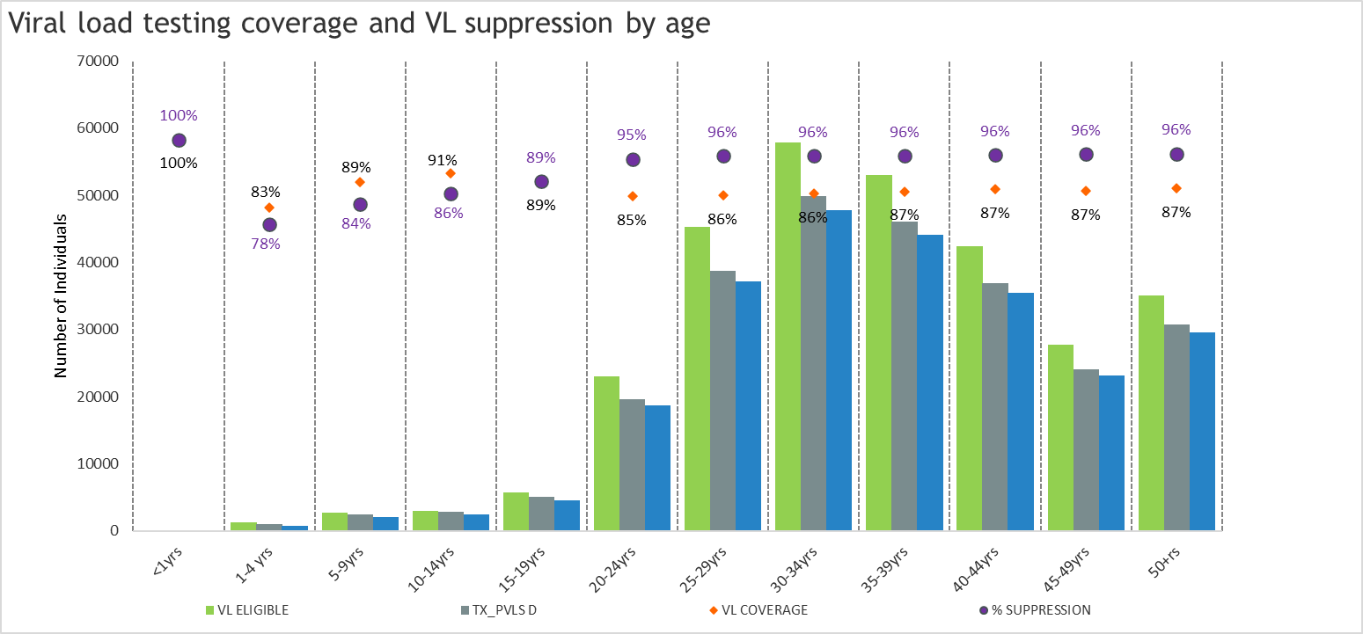
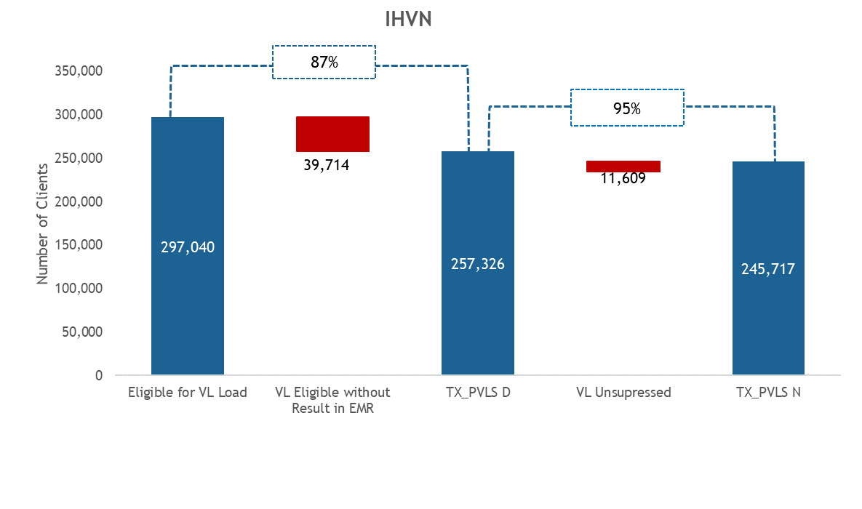

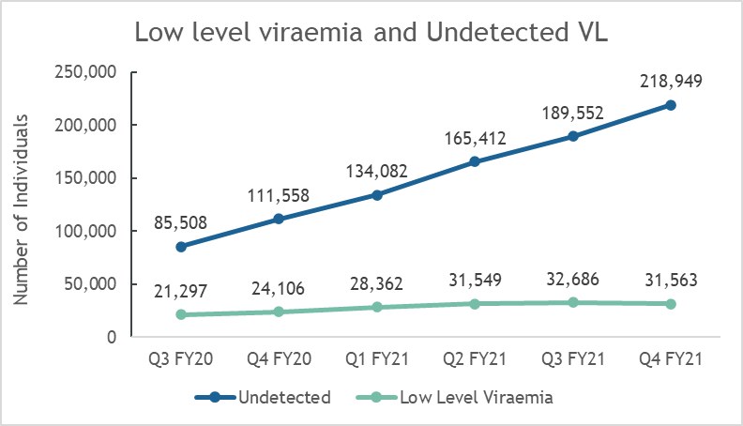
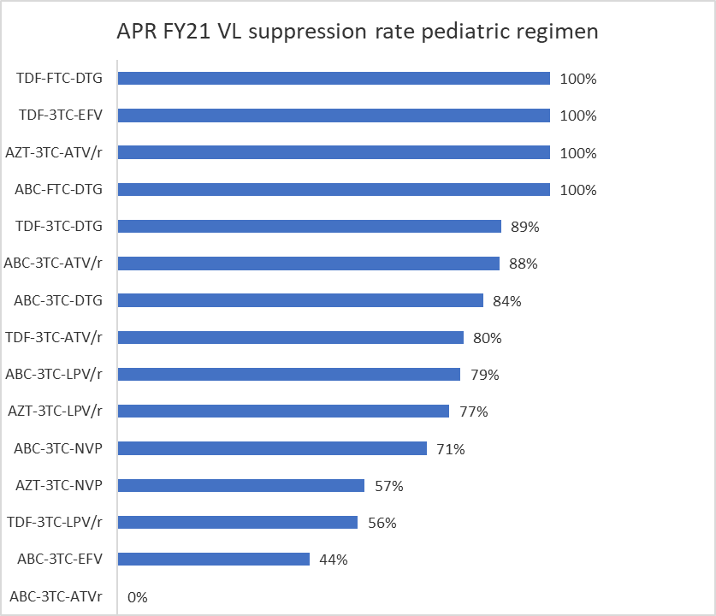

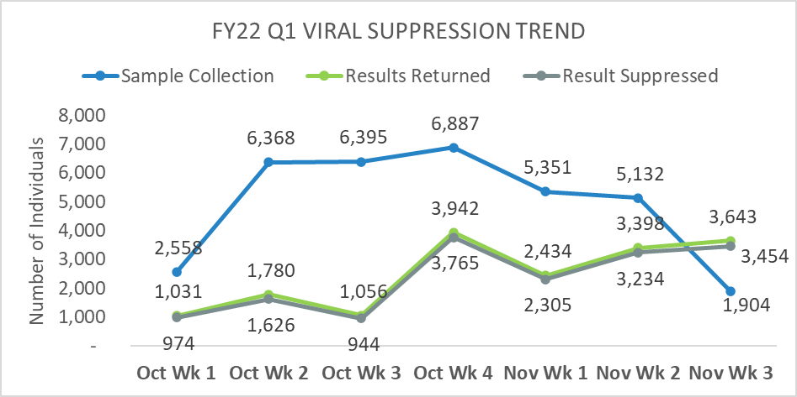

Name of Health facility | VL Eligible FY22 Q3 (a) | VL sample taken and sent to PCR Lab (b) | VL results received and entered into patients folders/EMR (c ) | VL Coverage (%) (c/a)*100 | Sample collection effort (b/a)*100 | VL eligible sample collected but awaiting results | VL eligible samples not yet taken | No. VL Suppressed | VL Suppression (%) | Eligible for TLD | Active on TLD | TLD Coverage (%)
Abdull Jalil's (A.J.S.) Out Patient Clinic | 64 | 0 | 0 | 0% | 0% | 0 | 64 | 0 | 0% | 84 | 84 | 100%
Alheri Clinic | 29 | 11 | 9 | 31% | 38% | 2 | 18 | 9 | 100% | 87 | 87 | 100%
Batsari General Hospital | 87 | 39 | 10 | 11% | 45% | 29 | 48 | 9 | 90% | 250 | 250 | 100%
Baure General Hospital | 57 | 11 | 6 | 11% | 19% | 5 | 46 | 6 | 100% | 105 | 105 | 100%
Federal Medical Center - Katsina | 437 | 239 | 153 | 35% | 55% | 86 | 198 | 139 | 91% | 1415 | 1415 | 100%
Funtua General Hospital | 1379 | 715 | 153 | 11% | 52% | 562 | 664 | 136 | 89% | 3549 | 3547 | 100%
Ingawa General Hospital | 71 | 16 | 9 | 13% | 23% | 7 | 55 | 7 | 78% | 160 | 159 | 99%
Jibia General Hospital | 131 | 53 | 43 | 33% | 40% | 10 | 78 | 43 | 100% | 288 | 288 | 100%
Kankara General Hospital | 297 | 42 | 11 | 4% | 14% | 31 | 255 | 10 | 91% | 491 | 491 | 100%
Kankia General Hospital | 329 | 104 | 58 | 18% | 32% | 46 | 225 | 54 | 93% | 581 | 581 | 100%
Katsina General Hospital | 1433 | 446 | 260 | 18% | 31% | 186 | 987 | 249 | 96% | 2743 | 2741 | 100%
Malumfashi Maternal and Child Health Clinic | 92 | 24 | 23 | 25% | 26% | 1 | 68 | 22 | 96% | 158 | 158 | 100%
Mani General Hospital | 99 | 54 | 19 | 19% | 55% | 35 | 45 | 16 | 84% | 306 | 305 | 100%
Musawa General Hospital | 167 | 42 | 19 | 11% | 25% | 23 | 125 | 15 | 79% | 432 | 432 | 100%
Daura General Hospital | 515 | 207 | 17 | 3% | 40% | 190 | 308 | 17 | 100% | 1106 | 1102 | 100%
Malumfashi General Hospital | 233 | 79 | 48 | 21% | 34% | 31 | 154 | 43 | 90% | 693 | 693 | 100%
Rimi General Hospital | 64 | 8 | 2 | 3% | 13% | 6 | 56 | 2 | 100% | 189 | 189 | 100%
Danmusa General Hospital | 139 | 14 | 0 | 0% | 10% | 14 | 125 | 0 | 0% | 245 | 245 | 100%
Dutsenma General Hospital | 365 | 72 | 0 | 0% | 20% | 72 | 293 | 0 | 0% | 799 | 799 | 100%
TOTAL | 5988 | 2176 | 840 | 14% | 36% | 1336 | 3812 | 777 | 93% | 11597 | 11576 | 100%

TX_CURR
Treatment Current by Sex
Male | 44%
Female | 56%
 | Treatment Current by Age groups
<1 | 4
04-Jan | 287
09-May | 564
14-Oct | 567
15-19 | 1195
20-24 | 7772
25-29 | 17269
30-34 | 22746
35-39 | 18219
40-44 | 14440
45-49 | 7660
50+ | 10717

Treatment Current by Age and Sex
 | Male | Female
<1 | -3 | 4
04-Jan | -288 | 287
09-May | -530 | 564
14-Oct | -461 | 567
15-19 | -1650 | 1195
20-24 | -7617 | 7772
25-29 | -11738 | 17269
30-34 | -15561 | 22746
35-39 | -12241 | 18219
40-44 | -12165 | 14440
45-49 | -7964 | 7660
50+ | -10616 | 10717
Location Chart should drill down from
Organization> States > LGAs > Facilities

Number of PLHIV Currently on Treatement and on TLD
 | TX_Curr | TLD | %TLD Optimization
FCT | 75410 | 70568 | 94%
Katsina | 10915 | 10633 | 97%
Nasarawa | 61039 | 57872 | 95%
Rivers | 142588 | 141691 | 99%
Treatment Current Trend: 2-Period moving average
 | IHVN TX_Curr
Oct | 137,013
Nov | 140,541
Dec | 148,088
Jan | 157,801
Feb | 158,598
Mar | 154,802
Apr | 151,951
May
Jun
Jul
Aug
Sep

 | IHVN TX_Curr
Oct | 137,013
Nov | 140,541
Dec | 148,088
Jan | 157,801
Feb | 158,598
Mar | 154,802
Apr | 151,951
May
Jun
Jul
Aug
Sep

Treatment Current Trend Q1 and Q2 with Treatment Net New
 | Dec | Jan | Feb | Mch | Net_New Q2 | Apr | May | Jun | Net_New Q3
Grand Total | 137013 | 140541 | 148088 | 157801 | 20788 | 158598 | 154802 | 151951 | -5850

Treatment Current Progress towards FY Target
 | Net-New needed | IHVN TX_Curr
Oct | 140,000 | 137,013
Nov | 150,000 | 140,541
Dec | 160,000 | 148,088
Jan | 170,000 | 157,801
Feb | 180,000 | 158,598
Mar | 190,000 | 154,802
Apr | 200,000 | 151,951
May | 210,000
Jun | 220,000
Jul | 230,000
Aug | 240,000
Sep | 250,000

Treatment current by MMD type
 | MMD1 | MMD2 | MMD3
Katsina | 1122 | 3928 | 561
FCT | 8086 | 28302 | 4043
Nasarawa | 8145 | 28508 | 4073
Rivers | 13037 | 45628 | 6518

Treatment Current Trend by MMD
 | MMD1 | MMD2 | MMD3
Jan | 56216 | 70271 | 14054
Feb | 44426 | 88853 | 14809
Mch | 44184 | 86791 | 26826
April | 28548 | 95159 | 34892

TX_CURR1
April | 15+ years
State | TX_Curr | No regimen documented | Not on TLD (TLD Eligible) | TLD | %TLD Optimization
FCT | 75410 | 106 | 4736 | 70568 | 94%
Katsina | 10915 | 0 | 282 | 10633 | 97%
Number of PLHIV Currently on Treatement and on TLD
Nasarawa | 61039 | 35 | 3132 | 57872 | 95%
Rivers | 142588 | 0 | 897 | 141691 | 99%
IHVN | 289952 | 141 | 9047 | 280764 | 96%

 |  |  | TX_Curr Q3

TX_CURR2
Sex | Treatment Current |  | Age Groups | Male | Female | Age Groups | Treatment Current by Age groups | States | Treatment Current | PHIV | States | Oct | Nov | Dec | Jan | Feb | Mar | Apr | May | Jun | Jul | Aug | Sep | Row Labels | Dec | Jan | Feb | Mch | Net_New Q2 | Apr | May | Jun | Net_New Q3 | Sum of NDR_TX_NEW_Q3 |  | State | TX-Curr | MMD1 | MMD2 | MMD3 | State | TX-Curr | MMD1 | MMD2 | MMD3
Male | 80,834 | 44% | <1 | -3 | 4 | <1 | 4 | FCT | 73,585 | 82,000 | FCT | 41889 | 42193 | 43509 | 44980 | 43923 | 41505 | 40432 |  |  |  |  |  | Katsina | 7698 | 7750 | 7859 | 7808 | 110 | 6688 | 5773 | 5611 | -2197 | 209 |  | Katsina | 5611 | 1122 | 3928 | 561 | Katsina | 5611 | 1122 | 3928 | 561
Female | 101,440 | 56% | 2022-01-04 | -288 | 287 | 2022-01-04 | 287 | Katsina | 10,892 | 14,965 | Katsina | 7698 | 7750 | 7859 | 7808 | 6688 | 5773 | 5611 |  |  |  |  |  | FCT | 41889 | 42193 | 43509 | 44980 | 3091 | 43923 | 41505 | 40432 | -4548 | 2093 |  | FCT | 40432 | 8086 | 28302 | 4043 | FCT | 40432 | 8086 | 28302 | 4043
 | 182274 |  | 2022-05-09 | -530 | 564 | 2022-05-09 | 564 | Nasarawa | 59,717 | 60,000 | Nasarawa | 39729 | 40064 | 41011 | 42836 | 42606 | 41261 | 40725 |  |  |  |  |  | Nasarawa | 39729 | 40064 | 41011 | 42836 | 3107 | 42606 | 41261 | 40725 | -2111 | 1392 |  | Nasarawa | 40725 | 8145 | 28508 | 4073 | Nasarawa | 40725 | 8145 | 28508 | 4073
 |  |  | 2022-10-14 | -461 | 567 | 2022-10-14 | 567 | Rivers | 136,774 | 188,852 | Rivers | 47697 | 50534 | 55709 | 62177 | 65381 | 66263 | 65183 |  |  |  |  |  | Rivers | 47697 | 50534 | 55709 | 62177 | 14480 | 65381 | 66263 | 65183 | 3006 | 9377 |  | Rivers | 65183 | 13037 | 45628 | 6518 | Rivers | 65183 | 13037 | 45628 | 6518
Treatment Current by Sex
Treatment Current Trend: 2-Period moving average
 | IHVN TX_Curr
Oct | 137,013
Nov | 140,541
Dec | 148,088
Jan | 157,801
Feb | 158,598
Mar | 154,802
Apr | 151,951
May
Jun
Jul
Aug
Sep
 |  |  | 15-19 | -1650 | 1195 | 15-19 | 1195 |  |  |  | IHVN TX_Curr | 137,013 | 140,541 | 148,088 | 157,801 | 158,598 | 154,802 | 151,951 |  |  |  |  |  | Grand Total | 137013 | 140541 | 148088 | 157801 | 20788 | 158598 | 154802 | 151951 | -5850 | 13071 |  | Total | 151,951 | 30390 | 106366 | 15195 | Total | 151,951 | 30390 | 106366 | 15195
 |  |  | 20-24 | -7617 | 7772 | 20-24 | 7772 |  |  |  | Net-New needed | 140,000 | 150,000 | 160,000 | 170,000 | 180,000 | 190,000 | 200,000 | 210,000 | 220,000 | 230,000 | 240,000 | 250,000
 |  |  | 25-29 | -11738 | 17269 | 25-29 | 17269 |  |  |  | Baseline | 130,000
 |  |  | 30-34 | -15561 | 22746 | 30-34 | 22746 |  |  |  | MonthlyTarget | 10,000 |  |  |  |  |  |  |  |  |  |  |  |  |  |  |  |  |  |  |  |  |  |  | Months | Jan | Feb | Mch | April | Total
 |  |  | 35-39 | -12241 | 18219 | 35-39 | 18219 |  |  |  |  |  |  |  |  |  | Net_New Q3-Q2 | TX_NEW_Q3 |  |  |  |  |  | State | MMD1 | MMD2 | MMD3 | TX-Curr | MMD1 | MMD2 | MMD3 |  |  |  | TX-Curr | 140541 | 148088 | 157801 | 158598 | 151,951
 |  |  | 40-44 | -12165 | 14440 | 40-44 | 14440 |  |  |  | States | Oct | Nov | Dec | Jan | Feb | Mar | Apr | May | Jun | Jul | Aug | Sep | Katsina | 2484 | 4438 | 7799 | 5611 | 1122 | 3928 | 561 |  |  |  | MMD1 | 56216 | 44426 | 44184 | 28548
 |  |  | 45-49 | -7964 | 7660 | 45-49 | 7660 |  |  |  | FCT | 41889 | 42193 | 43509 | 44980 | 43923 | 41505 | 40432 |  |  |  |  |  | FCT | 16810 | 27406 | 44873 | 40432 | 8086 | 28302 | 4043 |  |  |  | MMD2 | 70271 | 88853 | 86791 | 95159
 |  |  | 50+ | -10616 | 10717 | 50+ | 10717 |  |  |  | Katsina | 7698 | 7750 | 7859 | 7808 | 6688 | 5773 | 5611 |  |  |  |  |  | Nasarawa | 10256 | 30801 | 42741 | 40725 | 8145 | 28508 | 4073 |  |  |  | MMD3 | 14054 | 14809 | 26826 | 34892
 |  |  |  |  |  |  |  |  |  |  | Nasarawa | 39729 | 40064 | 41011 | 42836 | 42606 | 41261 | 40725 |  |  |  |  |  | Rivers | 13515 | 41436 | 62177 | 65183 | 13037 | 45628 | 6518
Treatment Current by Age and Sex
 |  |  |  |  |  |  |  |  |  |  | Rivers | 47697 | 50534 | 55709 | 62177 | 65381 | 66263 | 65183 |  |  |  |  |  | Total | 43,065 | 104,081 | 157,590 | 151,951 | 30390 | 106366 | 15195
 |  |  |  |  |  |  |  |  |  |  | IHVN TX_Curr | 137,013 | 140,541 | 148,088 | 157,801 | 158,598 | 154,802 | 151,951

 | IHVN TX_Curr
Oct | 137,013
Nov | 140,541
Dec | 148,088
Jan | 157,801
Feb | 158,598
Mar | 154,802
Apr | 151,951
May
Jun
Jul
Aug
Sep
TX_Curr Trend

Treatment Current Progress towards FY Target
 | Net-New needed | IHVN TX_Curr
Oct | 140,000 | 137,013
Nov | 150,000 | 140,541
Dec | 160,000 | 148,088
Jan | 170,000 | 157,801
Feb | 180,000 | 158,598
Mar | 190,000 | 154,802
Apr | 200,000 | 151,951
May | 210,000
Jun | 220,000
Jul | 230,000
Aug | 240,000
Sep | 250,000

Treatment current by MMD type
Treatment Current Trend by MMD
Treatment Current Trend Q1 and Q2 with Treatment Net New

2nd 90 Performance by State

TX NEW
PATIENTS 136 |  | FACILITIES 47 | STATES 4

Patients Newly Enrolled on ART by Sex
Male | 0.44347520765
Female | 0.55652479235
Patient Newly Enrolled on ART by Age Group

Patients Newly Enrolled by Location
ART initiation trend over the last 12 months

Age Groups | Male | Female | LOCATION |  | ART INITIATION TREND
<1 | 3 | 0 | Rivers | 37 | JAN | 1287
2022-01-04 | 1 | 0 | Nasarawa | 56 | FEB | 3567
2022-05-09 | 0 | 6 | FCT | 23 | MAR | 5678
2022-10-14 | 2 | 4 | Katsina | 78 | APR | 5789
15-19 | 5 | 3 |  |  | MAY | 6784
20-24 | 4 | 7 |  |  | JUN | 6546
25-29 | 3 | 6 |  |  | JUL | 7893
30-34 | 3 | 5 |  |  | AUG | 9876
35-39 | 4 | 8 |  |  | SEP | 10987
40-44 | 1 | 5 |  |  | OCT | 9876
45-49 | 1 | 0 |  |  | NOV | 8767
50+ | 5 | 6 |  |  | DEC | 4567

